Intro
 | Unparalleled experiences for more youth
 | Unparalleled experiences create value, enthusiasm, robust growth and retention of program participants

Building your "IDEAL YEAR OF SCOUTING"

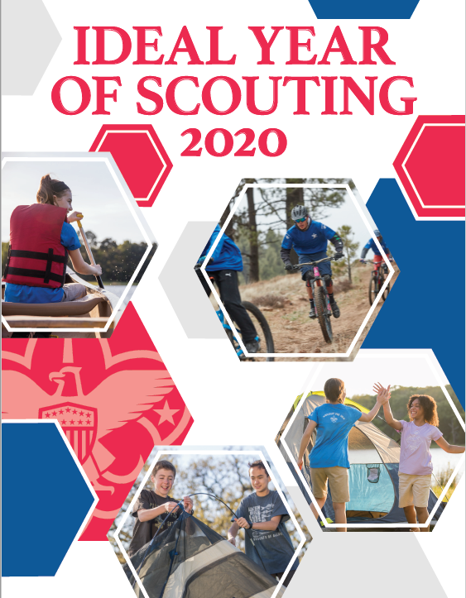
 |  | 2020 POPCORN UNIT COMMISSION 50%

 |  | CAMP CARDS

 |  | Cub Scouts who sell 20 will earn a FREE 1 Day Day Camp (cost varies) plus $2.50 commission per card sold*

 |  | Cub Scouts who sell 60 will earn a FREE 3 Day Day Camp (cost varies) plus $2.50 commission per card sold*

 |  | Cub Scouts who sell 80 will earn a FREE Resident Camp ($135 value) or 5 Day Day Camp (varies) plus $2.50 commission per card sold*

 |  | Scouts, BSA who sell 180 will earn a FREE week of summer camp ($305 value) plus $2.50 commission per card sold*

 |  | Youth who sell 40 will earn a FREE Jubilee expierence October 16-18 at Mahoney State Park for (1 Youth & 1 Adult)

 |  | *Camp incentives are not accumulative
 |  | STEP 1 > PLAN PROGRAM STEP 2 > SET BUDGET STEP 3> REVIEW MONTHLY

 |  | (CLICK HERE TO GET STARTED)

 |  |  | BSA UNIT FISICAL POLICIES (FAQ)

