Intro
 | Unparalleled experiences for more youth
 | Unparalleled experiences create value, enthusiasm, robust growth and retention of program participants

Building your "IDEAL YEAR OF SCOUTING"

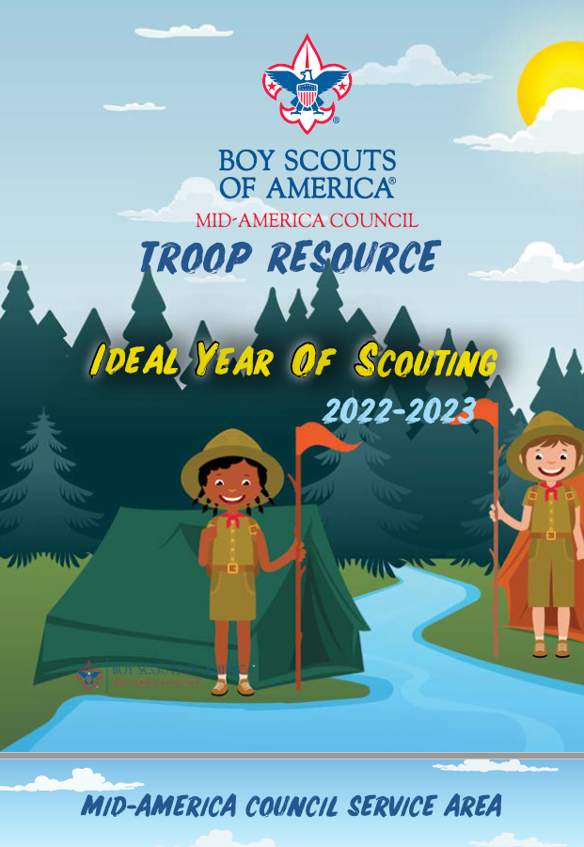
 |  | 2022 POPCORN UNIT COMMISSION 50%

 |  | CAMP CARDS

 |  | Cub Scouts who sell 20 will earn a FREE 1 Day Day Camp (cost varies) plus $2.50 commission per card sold*

 |  | Cub Scouts who sell 60 will earn a FREE 3 Day Day Camp (cost varies) plus $2.50 commission per card sold*

 |  | Cub Scouts who sell 80 will earn a FREE Resident Camp ($135 value) or 5 Day Day Camp (varies) plus $2.50 commission per card sold*

 |  | Scouts, BSA who sell 180 will earn a FREE week of summer camp ($310 value) plus $2.50 commission per card sold*

 |  | All Scouts who sell 40 will earn a Free Jubilee 2022*
 |  | *Camp incentives are not accumulative

 |  | STEP 1 > PLAN PROGRAM STEP 2 > SET BUDGET STEP 3> REVIEW MONTHLY

 |  | (CLICK HERE TO GET STARTED)

 |  | BSA UNIT FISICAL POLICIES (FAQ)

 |  | When you finish your IYOS Calendar and Budget. Click Here to Submit

