Intro
 | We are the premier youth leadership and character development organization

Building your "IDEAL YEAR OF SCOUTING"

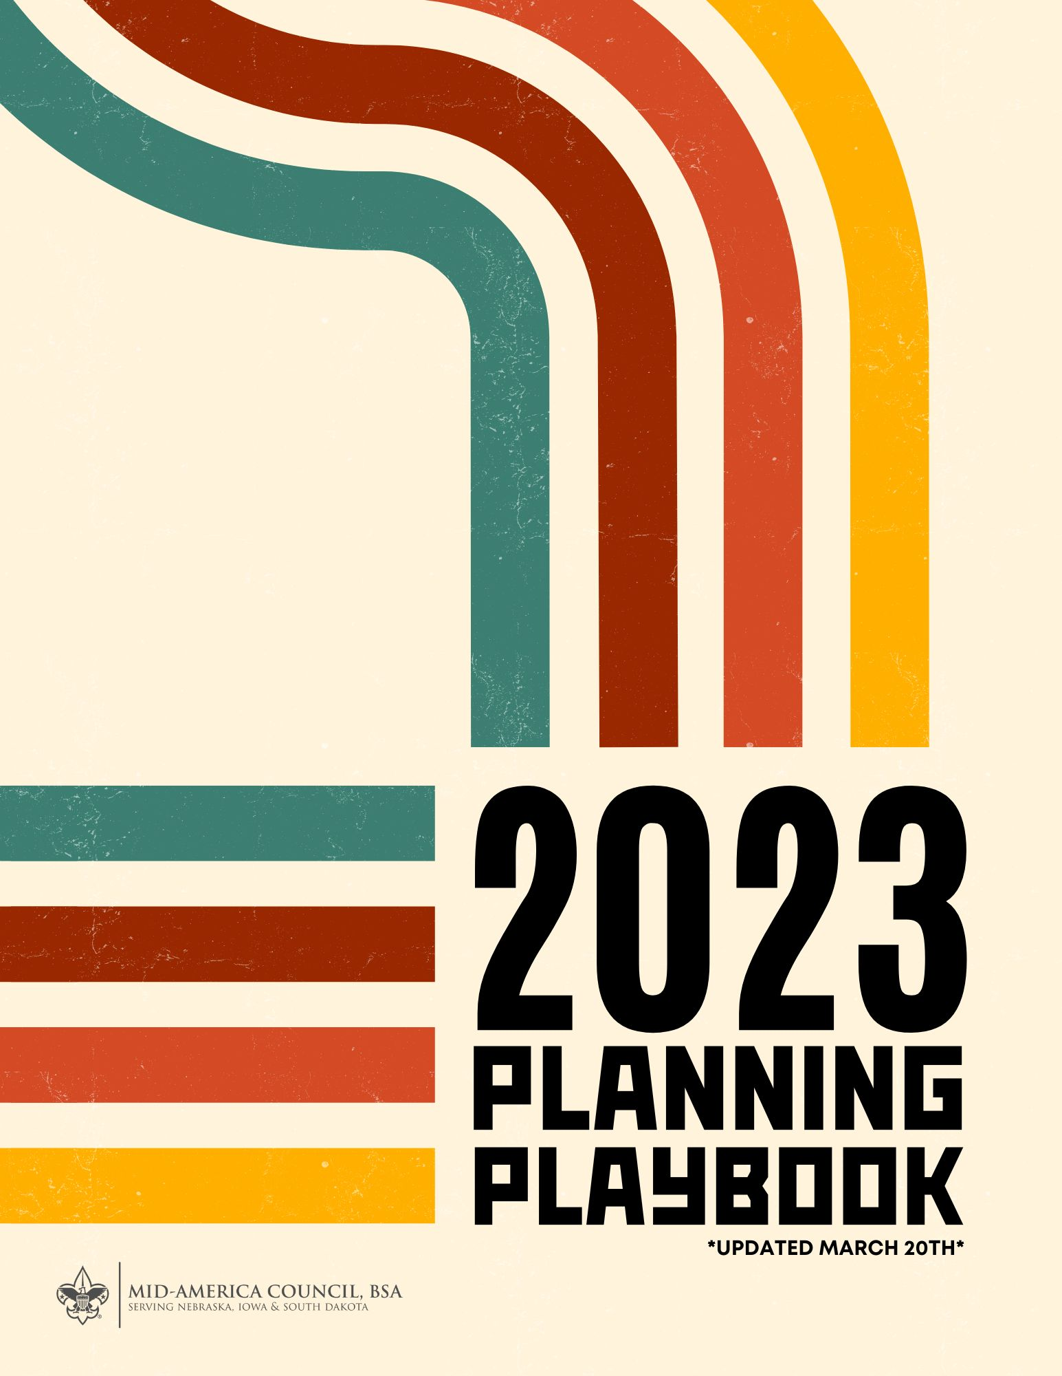
 |  | 2023 POPCORN UNIT COMMISSION 50%

 |  | CAMP CARDS

 |  | Cub Scouts who sell 15 will earn FREE Cub Family Weekend plus $2.50 commission per card sold*

 |  | Cub Scouts who sell 20 will earn a FREE 1 or 2 Day - Day Camp (cost varies) plus $2.50 commission per card sold*

 |  | Cub Scouts who sell 60 will earn a FREE 3 or 4 Day - Day Camp (cost varies) plus $2.50 commission per card sold*

 |  | Cub Scouts who sell 80 will earn a FREE 5 Day Camp (cost varies) plus $2.50 commission per card sold*

 |  | Cub Scouts who sell 90 will earn a FREE Camp Amikaro ($140 value) plus $2.50 commission per card sold*

 |  | Scouts, BSA who sell 200 will earn a FREE week of summer camp ($355 value) plus $2.50 commission per card sold*

 |  | *Camp incentives are not accumulative

 |  | STEP 1 > PLAN PROGRAM STEP 2 > SET BUDGET STEP 3> REVIEW MONTHLY

 |  | (CLICK HERE TO GET STARTED)

 |  | BSA UNIT FISICAL POLICIES (FAQ)

 |  | When you finish your IYOS Calendar and Budget. Click Here to Submit

