Intro
 | We are the premier youth leadership and character development organization

Building your "2024-2025 Planning Playbook"

 |  | 2024 POPCORN UNIT COMMISSION 50%
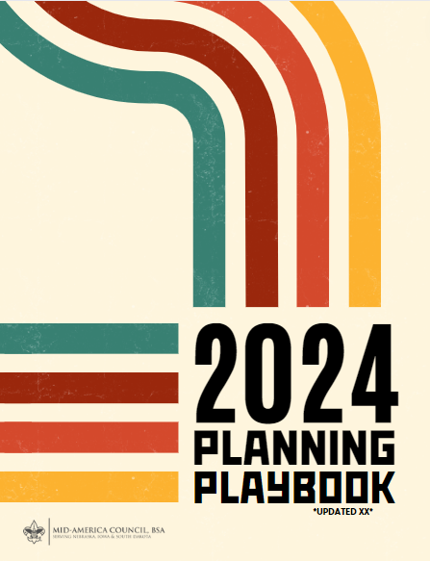
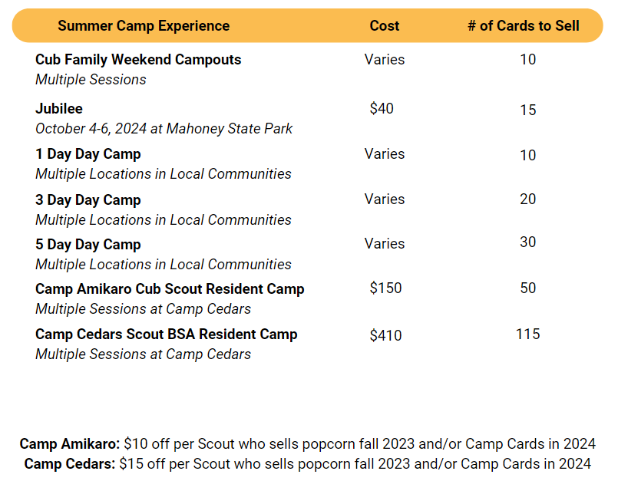

 |  | CAMP CARDS

 |  | Units also receive $5/card sold in addtion to the Summer Camp Experiences earned during the Camp Card Sale.

 |  | *Camp incentives are not accumulative
 |  | STEP 1 > PLAN PROGRAM STEP 2 > SET BUDGET STEP 3> REVIEW MONTHLY

 |  | (CLICK HERE TO GET STARTED)

 |  | BSA UNIT FISICAL POLICIES (FAQ)

 |  | When you finish your IYOS Calendar and Budget. Click Here to Submit

